College of science
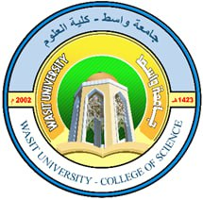
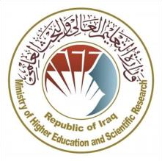
Republic of Iraq
Ministry of Higher Education and Scientific Research
University of Wasit
College of Science – Physics Department
Department of Physics

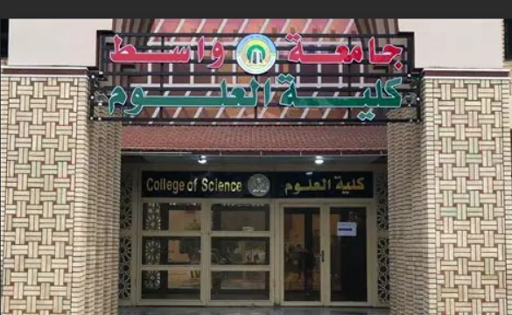

2025-2026

 | 2025-2026

Academic Program and Course Des
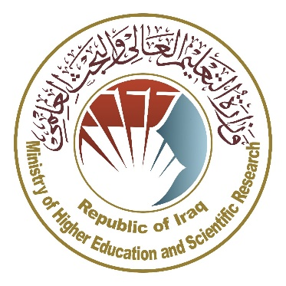
Ministry of Higher Education and Scientific Research Scientific Supervision and Scientific Evaluation Apparatus Directorate of Quality Assurance and Academic Accreditation Accreditation Department

 | Academic Program and Course Description Guide

 |  | 2025/2026

 | Concepts and terminology

Introduction
The academic program description is a short summary of the main features of the program and its courses .It shows what skills students are working to develop based on the program's goals .This description is very important because it is the main part of getting the program accredited , and it is written by the teaching staff together under the supervision of scientific commmmittees in the scientific departments.In this regard, we can only emphasize the important of writing an academic programs and course description to ensure the proper functioning of the educational process.

Concepts and terminology

Academic Program Description
The academic program description provides a brief summary of its vision, mission and objectives, including an accurate description of the targeted learning outcomes according to specific learning strategies.

Course Description
Provides a brief summary of the most important characteristics of the course and the learning outcomes expected of the students to achieve, proving whether they have made the most of the available learning opportunities. It is derived from the program description.

Program Vision
An ambitious picture for the future of the academic program to be sophisticated, inspiring, stimulating, realistic and applicable.

Program Mission
Briefly outlines the objectives and activities necessary to achieve them and defines the program's development paths and directions.

Program Objectives
They are statements that describe what the academic program intends to achieve within a specific period of time and are measurable and observable.

Curriculum Structure
All courses / subjects included in the academic program according to the approved learning system (quarterly, annual, Bologna Process) whether it is a requirement (ministry, university, college and scientific department) with the number of credit hours.

Learning Outcomes
A compatible set of knowledge, skills and values acquired by students after the successful completion of the academic program and must determine the learning outcomes of each course in a way that achieves the objectives of the program.

Teaching and learning strategies
They are the strategies used by the faculty members to develop students’ teaching and learning, and they are plans that are followed to reach the learning goals. They describe all classroom and extra-curricular activities to achieve the learning outcomes of the program.

Academic Program Description Fo
 | Academic Program Description Form

University Name: |  |  |  | Wasit
Faculty/Institute: |  |  |  | College of Science
Scientific Department: |  |  |  | physics
Academic or Professional Program Name: |  |  |  | Master of Science in Physics
Final Certificate Name: |  |  |  | Master's degree in physics
Academic System: |  |  |  | Semester
Description Preparation Date: |  |  |  | 2024-2025
File Completion Date: |  |  |  | 30/6/2025

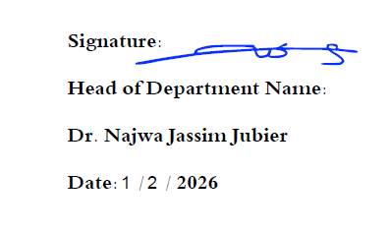
Signature: |  |  |  | Signature:
Head of Department Name: |  |  |  | Depainty dean for Scientific Affairs Name:

Date: |  |  |  | Date:

The file is checked by:

Department of Quality Assurance and University Performance

Director of the Quality Assurance and University Performance Department:

Date:
Signature:

1- | Program Vision
 | Postgraduate studies (master's) were opened in the department of physics in the academic year 2011/2012. the department aims to graduate highly qualified students qualified to work in all aspects of life. , *Study period : 2 years, * Study Language: English

2- | Program Mission
 | Due to the use of physical science in all areas of life and in various other sciences, there has become a need for graduates who hold a master's degree in physical sciences to work in public and private institutions.

3- | Program Objectives
 | Department of physics focuses on achieving a number of objectives. They can be summarized as follows: providing efficient graduates, highly qualified in the field of physics, keeping pace with the fast changes in the field of IT and analysis of data, focusing on scientific research and its essential role in serving the community by conducting scientific and applied research,striving to improve performance so as to achieve comprehensive quality assurance.

4- | Program Accreditation
 | This mission of the department is summarized in providing graduates , qualifiedand highly trained in the field of physics .

5- | Other external influences

6- | Program Structure

 | Program Structure | Number of Courses | Credit hours | Percentage | Reviews*
 | Institution Requirements
 | College Requirements
 | Department Requirements | 14 | 24
 | Summer Training
 | Other

7- | Program Description

 | Year/Level | Course Code | Course Name | Credit Hours
 | 2023-2024 |  |  | theoretical | practical | tutorial
 | Semester 1 | PHY5101 | Electromagnetic Theory | 2
 | Semester 1 | PHY5102 | Advanced Quantum Mechanics | 2
 | Semester 1 | PHY5103 | Advanced Nuclear physics | 2
 | Semester 1 | PHY5104 | Advanced Optics | 2
 | Semester 1 | PHY5105 | Advanced Mathmetics | 2
 | Semester 1 | UOW5100 | English I | 1
 | Semester 1 | UOW5200 | Research Methodology I | 1
 | Semester 2 | PHY5201 | Solid State Physics | 2
 | Semester 2 | PHY5202 | Plasms Physics | 2
 | Semester 2 | PHY5203 | Thin Film | 2
 | Semester 2 | PHY5204 | Remote Senesing | 2
 | Semester 2 | PHY5205 | Special Topic | 2
 | Semester 2 | UOW5300 | English II | 1
 | Semester 2 | UOW5400 | Research Methodology II | 1

8- | Expected learning outcomes of the program

 | Knowledge
 | 1- That the student knows the basics of the required sciences. 2- That the student understands the required scientific details. 3- The student should analyze scientific developments. 4- Graduation of scientific cadres with specialization . 5-Enabling students to obtain knowledge, intellctual understanding, and skills to devices. 6-Teaching the student the skills required to deal with different cases.

 | Skills
 | 1- That the student uses the devices correctly. 2- That the student applies what has learned in practice. 3- The student must bring the necessary materials. 4- Good knowledge of the principles of physics and related sciences. 5- Technical ability in his field of work. 6- Good knowledge of the english language . 7- That the student performs the appropriate proceduresfor the situations he faces.

 | Ethics
 | 1- Working as ateam. 2- That the student recgnizes the important of academic subjects. 3- Commitment to the ethics of the university institution 4-Receiving information and cognitive receptivity.

9- | Teaching and Learning Strategies
 | 1- Classroom education through theoretical lectures. 2- Preparing scientific reports and research. 3- Show educational videos during the lecture.

10- | Evaluation methods
 | 1- Exams. 2-Writing and presenting reports and research. 3-Scientific discussions. 4- For daily attendance and activities.

11- | Faculty
 | Faculty Members

 | Academic Rank | Specialization |  | Special Requirements/Skills (if applicable) | Number of the teaching staff
 |  | General | Special |  | Staff | Lecturer
 | Prof. Dr. Hashim Ali Yusr | Physics | Materials physics |  | Yes
 | Prof.Dr. Najwa Jassim Jubier | Physics | Materials physics |  | Yes
 | Prof.Dr. Hadi Dwaich Alattabi | Physics | Nuclear physics |  | Yes
 | Prof Dr. Ahmed Khudhair Abbas | Physics | Plasma physics |  | Yes
 | Prof.Dr.Abbas F. Essa | Physics | Materials physics |  | Yes
 | Prof. Dr Muneer Hlail Alzubaidy | Physics | Semiconductors |  | Yes
 | Assist profesor Dr. Hanan Abd ali thjeel | Physics | Laser and Electroptics |  | Yes
 | Assist Prof Dr. Faik Mayah | Mathematics | Mathematical analysis |  | Yes
 | Assist Prof Dr. Mutasim I.Malik | Physics | Image processing |  | Yes
 | Assist Prof Dr.Khudhair A. Assaf | Physics | Astronomy |  | Yes
 | Assist Prof Dr. Mahdi Ahmed Mohammed | Physics | Nanotechnology |  | Yes

 | Professional Development
 | Mentoring new faculty members
 | Directing new faculty members to the necessity of working on developing the scientific method, methods of delivering scientific lectures, and how to deliver practical material to the student .

 | Professional development of faculty members
 | working to find development ideas and working to develop scientific laboratories and the practical aspect, since the students specilalization is a scientific specialization.

12- | Acceptance Criterion
 | Student who graduate from the colleges of science and education for pure sciences are allowed to be accepted into the department.

13- | The most important sources of information about the program
 | 1- Textbooks prescribed by the ministry of higher education and scientific research.
 | 2- External scientific sources.
 | 3- Using libraries and the internet.

14- | Program Development Plan
 | The department has many methodological and research plans in order to develop the department , as the department presidency , the department council , and the scientific committee work to provide all requirements for the development of the department.

