College ofScience
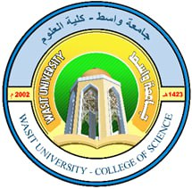
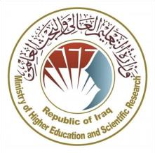
Republic of Iraq
Ministry of Higher Education and Scientific Research
University of Wasit
College of Science – Physics Department
Department of Physics

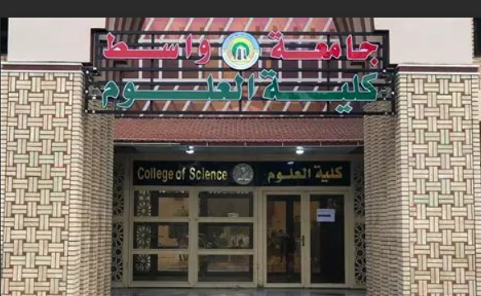

2025-2026

 | 2025-2026

Academic Program and Course Des
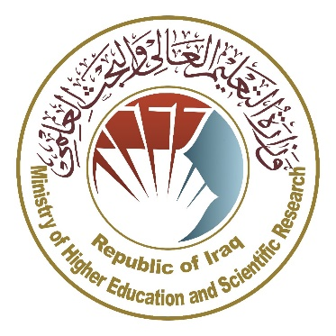
Ministry of Higher Education and Scientific Research Scientific Supervision and Scientific Evaluation Apparatus Directorate of Quality Assurance and Academic Accreditation Accreditation Department

 | Academic Program and Course Description Guide

 |  | 2025/2026

 | Concepts and terminology

Introduction
The academic program description is a short summary of the main features of the program and its courses .It shows what skills students are working to develop based on the program's goals .This description is very important because it is the main part of getting the program accredited , and it is written by the teaching staff together under the supervision of scientific commmmittees in the scientific departments.In this regard, we can only emphasize the important of writing an academic programs and course description to ensure the proper functioning of the educational process.

Concepts and terminology

Academic Program Description
The academic program description provides a brief summary of its vision, mission and objectives, including an accurate description of the targeted learning outcomes according to specific learning strategies.

Course Description
Provides a brief summary of the most important characteristics of the course and the learning outcomes expected of the students to achieve, proving whether they have made the most of the available learning opportunities. It is derived from the program description.

Program Vision
An ambitious picture for the future of the academic program to be sophisticated, inspiring, stimulating, realistic and applicable.

Program Mission
Briefly outlines the objectives and activities necessary to achieve them and defines the program's development paths and directions.

Program Objectives
They are statements that describe what the academic program intends to achieve within a specific period of time and are measurable and observable.

Curriculum Structure
All courses / subjects included in the academic program according to the approved learning system (quarterly, annual, Bologna Process) whether it is a requirement (ministry, university, college and scientific department) with the number of credit hours.

Learning Outcomes
A compatible set of knowledge, skills and values acquired by students after the successful completion of the academic program and must determine the learning outcomes of each course in a way that achieves the objectives of the program.

Teaching and learning strategies
They are the strategies used by the faculty members to develop students’ teaching and learning, and they are plans that are followed to reach the learning goals. They describe all classroom and extra-curricular activities to achieve the learning outcomes of the program.

Academic Program Description Fo
 | Academic Program Description Form

University Name: |  |  |  | Wasit University
Faculty/Institute: |  |  |  | College of Science
Scientific Department: |  |  |  | Department of physics
Academic or Professional Program Name: |  |  |  | Doctoral degree in physics
Final Certificate Name: |  |  |  | Doctor of Philosophy (Ph.D ) in physics
Academic System: |  |  |  | Semester: Semester System
Description Preparation Date: |  |  |  | 2025-2026
File Completion Date:

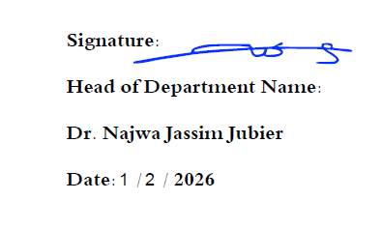
Signature: |  |  |  | Signature:
Head of Department Name: |  |  |  | Scientific Associate Name:
Najwa Jassim Jubier
Date: |  |  |  | Date:

The file is checked by:

Department of Quality Assurance and University Performance

Director of the Quality Assurance and University Performance Department:

Date:
Signature:

1- | Program Vision
 | Postgraduate studies (Ph.D) were opened in the department of physics in the academic year 2016/2017, The vision of the Physics Department in the PhD specialization is toachieve leadership and excellence in physics research by preparing highly qualified researchers capable of producing original scientific knowledge, keeping pace with global scientific developments, and applying physics to serve society and sustainable development .

2- | Program Mission
 | Given the central role of physical sciences in all areas of life and across various scientific disciplines, there is an increasing demand for Ph.D. graduates in physics to contribute effectively in both public and private institutions. The Department of Physics is committed to preparing specialized and highly qualified researchers who are capable of conducting independent, rigorous, and original scientific research that advances physical knowledge and addresses both scientific and applied challenges. The department provides a stimulating academic and research environment that fosters creativity, innovation, and adherence to research ethics. It also encourages academic collaboration and engagement with societal needs, in alignment with global scientific developments and the principles of sustainable development.

3- | Program Objectives
 | The Department of Physics aims to achieve several key objectives: 1- To produce highly efficient and well-qualified graduates in the field of physics. 2-To equip students with the ability to keep pace with rapid developments in information technology and data analysis. 3-To emphasize the importance of scientific research and its role in serving society through both fundamental and applied studies. 4-To foster continuous performance improvement to ensure comprehensive quality assurance in education and research.

4- | Program Accreditation
 | This mission of the department is summarized in providing graduates , qualifiedand highly trained in the field of physics .

5- | Other external influences

6- | Program Structure

 | Program Structure | Number of Courses | Credit hours | Percentage | Reviews*
 | Institution Requirements | 2 | 4
 | College Requirements
 | Department Requirements | 15 | 30
 | Summer Training
 | Other

7- | Program Description

 | Year/Level | Course Code | Course Name | Credit Hours
 | 2025-2026 |  |  | Theoretical | Practical | Tutorial
 | Semester 1 | PHY6101 | Advanced Nuclear Physics (2) | 3
 | Semester 1 | PHY6102 | Advanced Solid State Physics (2) | 3
 | Semester 1 | PHY6103 | Semiconductor | 3
 | Semester 1 | PHY6104 | Mathmetical Physics | 3
 | Semester 1 | PHY6105 | Computer Programing and Modeling | 2
 | Semester 1 | UOW6100 | English Language (3) | 1
 | Semester 1 | UOW6200 | Research Methodology (3) | 1
 | Semester 2 | PHY6201 | Material Physics | 3
 | Semester 2 | PHY6202 | Relativistic Quantum Mechanics | 3
 | Semester 2 | PHY6203 | Advanced Plasma Physics (2) | 3
 | Semester 2 | PHY6204 | Advanced Optics (2) | 3
 | Semester 2 | PHY6205 | Electrodynamics | 2
 | Semester 2 |  | Special Topic | 2
 | Semester 2 | UOW6300 | English Language (4) | 1
 | Semester 2 | UOW6400 | Research Methodology(4) | 1

8- | Expected learning outcomes of the program

 | Knowledge
 | 1- That the student knows the basics of the required sciences. 2- That the student understands the required scientific details. 3- The student should analyze scientific developments. 4- Graduation of scientific cadres with specialization . 5-Enabling students to obtain knowledge, intellctual understanding, and skills to devices. 6-Teaching the student the skills required to deal with different cases.7-Developing the ability to conduct original research and publish results in peer-reviewed journals

 | Skills
 | 1- The student can correctly and safely operate scientific instruments and devices. 2-The student can apply theoretical knowledge effectively in practical and experimental contexts. 3-The student can organize and prepare all necessary materials and resources for experiments and research. 4-The student possesses strong knowledge of physics principles and related scientific disciplines. 5-The student demonstrates technical proficiency and competence in their specialized field. 6-The student has a good command of the English language for scientific communication. 7-The student can perform appropriate procedures to address complex research or experimental situations. 8-The student can design and conduct original, high-quality research projects. 9-The student can analyze data and interpret results using rigorous scientific and statistical methods. 10-The student can manage research projects and supervise academic or research teams effectively.

 | Ethics
 | 1- Ability to work effectively as part of a team. 2-Adherence to research ethics and publication integrity. 3-Commitment to the ethical standards and regulations of the university. 4-Respect for intellectual property rights and professional academic standards.

9- | Teaching and Learning Strategies
 | 1- Lectures and Seminars: Deliver core knowledge and theoretical concepts. 2- Active Learning: Classroom discussions, problem-solving, and group projects. 3- Laboratories and Practical Sessions: Connect theory with practical application. 4- Continuous Assessment: Assignments and quizzes to reinforce learning. 5- Blended Learning: Combining face-to-face and digital learning to enhance engagement. 3- Show educational videos during the lecture.

10- | Evaluation methods
 | 1- Exams. 2-Research reports and academic papers to evaluate analytical and critical thinking skills.. 3-Oral presentations and academic discussions to assess communication and defense skills. 4- Comprehensive examinations to assess depth of knowledge in the discipline. 5-Continuous assessment of academic participation and commitment.

 | Faculty
 | Faculty Members

11- | Academic Rank | Specialization |  | Special Requirements/Skills (if applicable) | Number of the teaching staff
 |  | General | Special |  | Staff | Lecturer
 | Prof. Dr. Hashim Ali Yusr | Physics | Materials Physics |  | Yes
 | Prof. Dr. Najwa Jassim Jubier | Physics | Materials Physics |  | Yes
 | Prof. Dr. Hadi Dwaich Alattabi | Physics | Nuclear Physics |  | Yes
 | Prof. Dr. Ahmed Khudhair Abbas | Physics | Plasma Physics |  | Yes
 | Prof. Dr. Abbas F. Essa | Physics | Materials Physics |  | Yes
 | Prof. Dr. Muneer Hlail Alzubaidy | Physics | Semiconductors |  | Yes
 | Assist. Prof . Dr. Ali Kamel Mohsin | Physics | Laser applications |  | Yes
 | Assist. Prof. Dr. Mutasim I.Malik | Physics | Remote sensing |  | Yes
 | Prof. Dr. Mazin Jasim Mohammed | English | English language |  |  | Yes

 | Professional Development
 | Mentoring new faculty members
 | New faculty members are oriented through an institutional induction program that introduces the university’s mission and regulations, teaching and assessment policies, and professional ethics. The orientation also includes academic mentoring, training in modern teaching strategies, research support, and continuous professional development to ensure effective integration and high-quality academic performance.

 | Professional development of faculty members
 | It includes organized programs and activities designed to update disciplinary knowledge, improve teaching and assessment skills, strengthen research and publication capacities, and develop leadership and professional skills, thereby ensuring the quality of higher education, research, and community service and working to find development ideas and working to develop scientific laboratories and the practical aspect, since the students specilalization is a scientific specialization.

12- | Acceptance Criterion
 | 1- Hold an accredited university degree in the relevant field or a related discipline. 2- Meet the minimum cumulative GPA required by the department and faculty. 3- Pass the entrance exam or academic interview. 4- Demonstrate the required language proficiency for study and research. 5- Provide academic recommendations and a suitable academic record. 6- Comply with the university’s approved graduate studies regulations and policies.

13- | The most important sources of information about the program
 | 1- Textbooks prescribed by the ministry of higher education and scientific research.
 | 2- External scientific sources.
 | 3- Using libraries and the internet.

14- | Program Development Plan
 | The department has many methodological and research plans to develop the department, as the department presidency, the department council, and the scientific committee work to provide all requirements for the development of the department, among these plans:- 1- Review program objectives and learning outcomes to ensure alignment with international standards. 2- Update course content to enhance independent research and critical thinking. 3- Adopt modern teaching methods such as active learning and research-based learning. 4- Improve assessment methods in line with learning outcomes (research, presentations, publications). 5- Support faculty and students through training and academic mentoring. 6- Ensure quality through feedback collection and regular program reviews.

